DeepM6A dataset
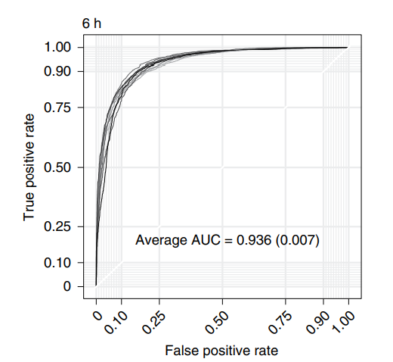
DeepM6A dataset
Source paper | Elucidation of DNA methylation on N6-adenine with deep learning
Download link | https://github.com/tanfei2007/DeepM6A/tree/master/Data
Organism | A. thaliana
Level | DNA
Length | 61 bp
Positive data | 19632
Negative data | 19632
DL paper used this data | P12 | DeepM6A | 2020-08-03 | P12
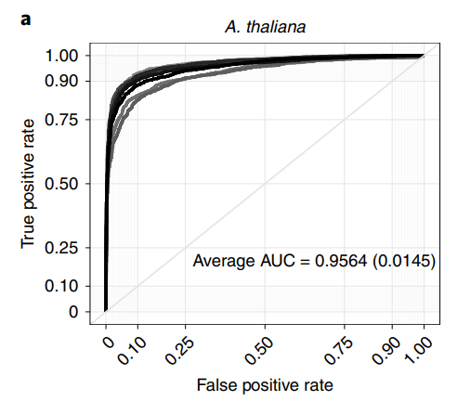

Organism | D. melanogaster
Level | DNA
Length | 61 bp
Positive data | 10653
Negative data | 10653
DL paper used this data | P12 | DeepM6A | 2020-08-03 | P12
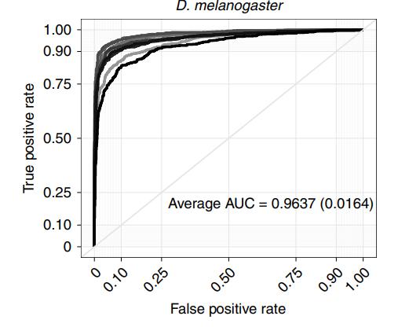

Organism | E. coli
Level | DNA
Length | 61 bp
Positive data | 33700
Negative data | 33700
DL paper used this data | P12 | DeepM6A | 2020-08-03 | P12
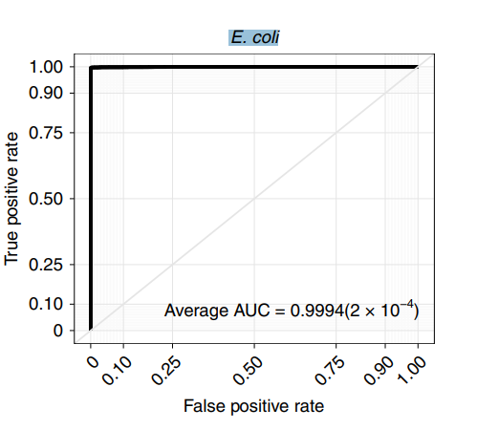

Organism | D. melanogaster-0.75h
Level | DNA
Length | 61 bp
Positive data | 17528
Negative data | 17528
DL paper used this data | P12 | DeepM6A | 2020-08-03 | P12
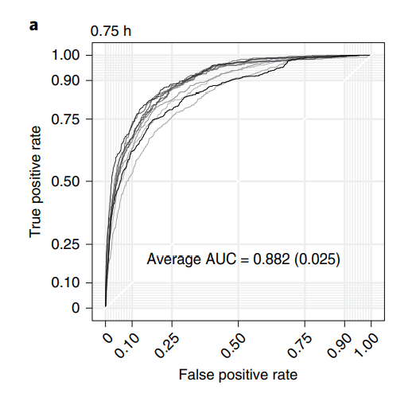

Organism | D. melanogaster-3h
Level | DNA
Length | 61 bp
Positive data | 4363
Negative data | 4363
DL paper used this data | P12 | DeepM6A | 2020-08-03 | P12
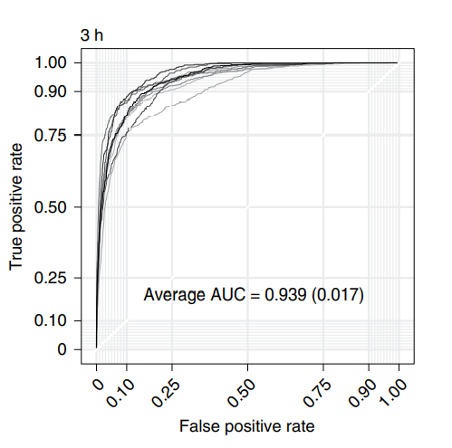

Organism | D. melanogaster-6h
Level | DNA
Length | 61 bp
Positive data | 2447
Negative data | 2447
DL paper used this data | P12 | DeepM6A | 2020-08-03 | P12

